Sheet1
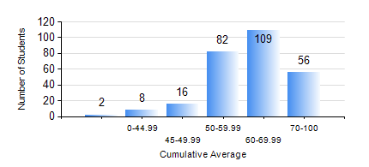
 |  |  | KWAME NKRUMAH UNIVERSITY OF SCIENCE AND TECHNOLOGY, KUMASI Department of Mechanical Engineering

 |  |  | BSC. MECHANICAL ENG.

 |  |  | COMPREHENSIVE RECORD OF EXAMINATION RESULTS

 |  |  | RESULTS OF YEAR 3 SECOND SEMESTER, 2022/2023 ACADEMIC YEAR

 | Sn | Course Code |  | Course Name | Credit Hours | Min. Mark | Max. Mark | Avg. Mark | Std. Dev. | No. Passed | No. Trailed | No. (Df) | No. (I) | No. (I*) | No. Tagged(I,I*,Df) | Total
 | 0. |  |  |  |  |  |  | 0 | 0 | 0 | 0 | 0 | 0 | 0 | 0 | 16
 | 1. | EE 252 |  | ELECTRICAL ENGINEERING MACHINES | 2 | 40 | 91 | 65 | 11.84 | 257 | 0 | 0 | 0 | 0 | 0 | 257
 | 2. | ME 352 |  | FLUID DYNAMICS II | 3 | 28 | 91 | 69 | 11.12 | 255 | 2 | 0 | 0 | 0 | 0 | 257
 | 3. | ME 356 |  | STRENGTH OF MATERIALS II | 3 | 12 | 89 | 70 | 10.32 | 255 | 2 | 0 | 0 | 0 | 0 | 257
 | 4. | ME 362 |  | VIBRATIONS I | 3 | 0 | 93 | 51 | 16.09 | 227 | 30 | 0 | 0 | 0 | 0 | 257
 | 5. | ME 366 |  | HEAT TRANSFER | 3 | 22 | 94 | 67 | 9.99 | 255 | 1 | 0 | 0 | 0 | 1 | 257
 | 6. | ME 374 |  | MACHINE DESIGN | 2 | 33 | 92 | 62 | 13.14 | 250 | 7 | 0 | 0 | 0 | 0 | 257
 | 7. | ME 392 |  | INDUSTRIAL ENGINEERING AND ERGONOMICS | 2 | 24 | 73 | 56 | 8.64 | 252 | 5 | 0 | 0 | 0 | 0 | 257
 | 8. | ME 396 |  | MECHANICAL ENGINEERING LABORATORY IV | 1 | 41 | 79 | 61 | 7.53 | 257 | 0 | 0 | 0 | 0 | 0 | 257

